Calculator
MEKH GO Fee Schedule |  |  | HUPX GO Fee Schedule
Account management fee | 100,000 | HUF/year | Membership fee (3) | 250 | EUR/quarter
Fee for issuance of GO | 5 | HUF/MWh | Transaction fee (4) | 0.03 | EUR/MWh
Account management fee (1) | 238.1 | EUR/year | Export fee (5) | 0.0135 | EUR/MWh
Fee for issuance of GO (2) | 0.012 | EUR/MWh | Import fee (6) | 0.027 | EUR/MWh

 | 420.00 | EUR/HUF
Instruction |  |  | Calculation per Auction
1. Select Side, Country, Technology and Production month. |  |  | Side | Sell
2. Insert production or capacity data based on selection. |  |  | From | Hungary
3. Insert Price, based on price suggestions of recent HU, HR and FR GO auctions. |  |  | Technology | Solar
 |  |  | Production month | Jul-22
Choosable field |  |  | Installed capacity | 10.00 | MW
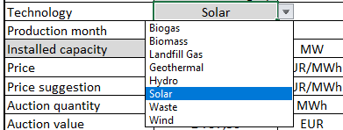
 |  |  | Price | 8.16 | EUR/MWh
 |  |  | Price suggestion | 8.16 | EUR/MWh | Calculation per calendar year
 |  |  | Auction quantity | 1,645 | MWh | Yearly GO quantity | 14,069 | MWh
 |  |  | Auction value | 13,423.20 | EUR | Yearly GO value | 114,803.04 | EUR
 |  |  | Transaction fees (4+5+6) | 49.35 | EUR | Yearly fees (1+2+3+4+5+6) | 1,827.65 | EUR
 |  |  | Value with fees included | 13,373.85 | EUR | Value with fees included | 112,975.39 | EUR

Disclaimer: HUPX GO calculator Excel sheet is solely for information purposes, which contains analyst opinions and does not necessarily represent the official views of HUPX. The present Excel sheet does not count as financial advice.

